Sheet1
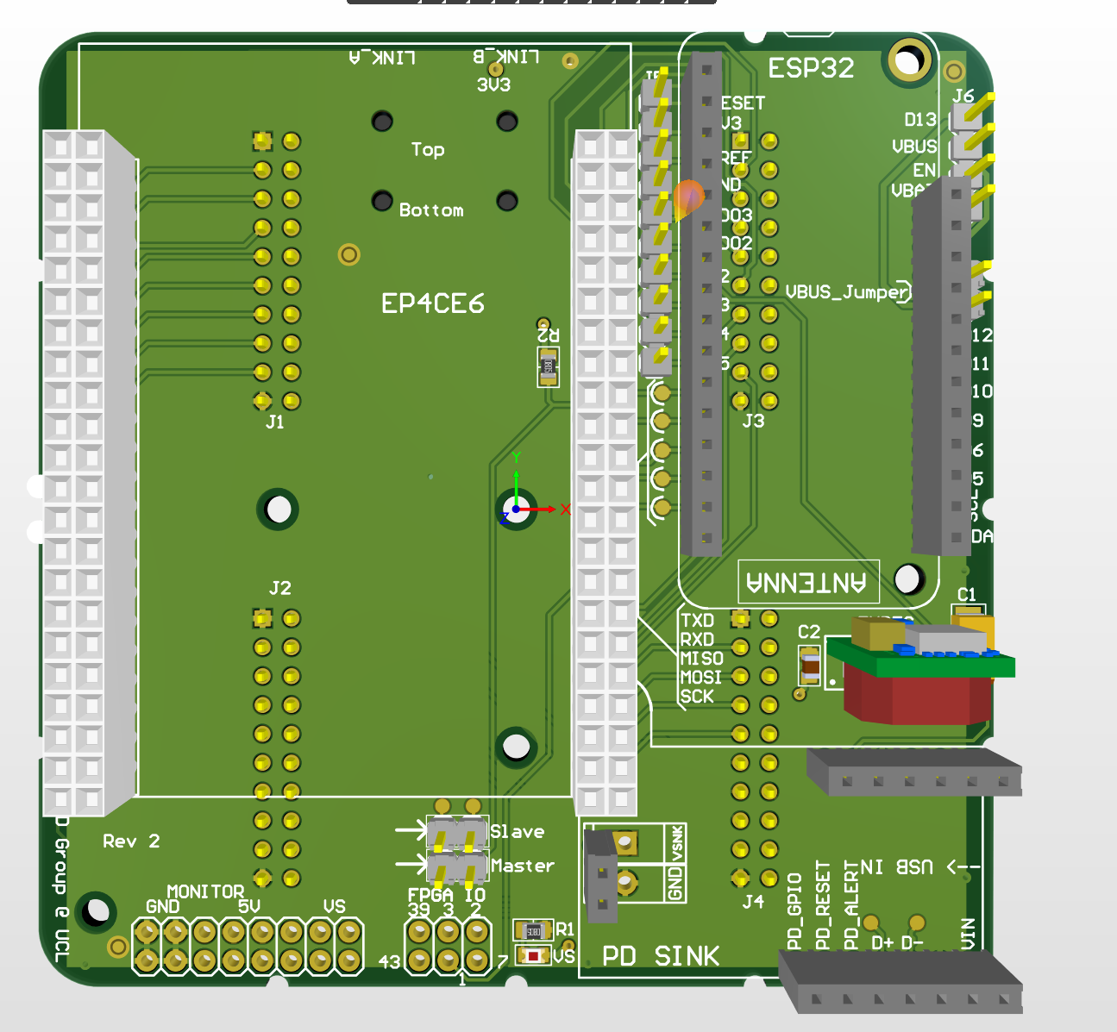
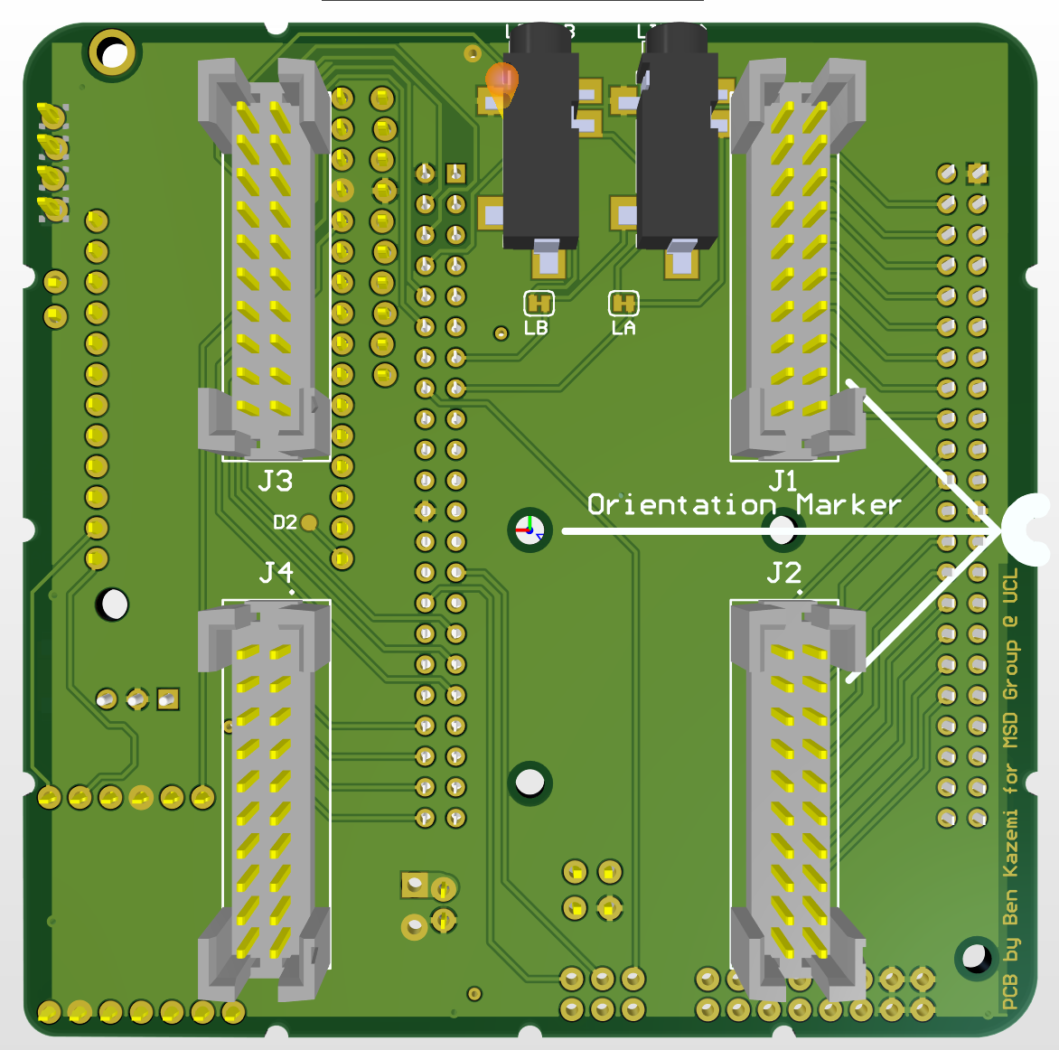
 | Array
 | Comment | Designator | Footprint | Quantity
 | EMIT | 1, 2, 3, 4, 5, 6, 7, 8, 9, 10, 11, 12, 13, 14, 15, 16, 17, 18, 19, 20, 21, 22, 23, 24, 25, 26, 27, 28, 29, 30, 31, 32, 33, 34, 35, 36, 37, 38, 39, 40, 41, 42, 43, 44, 45, 46, 47, 48, 49, 50, 51, 52, 53, 54, 55, 56, 57, 58, 59, 60, 61, 62, 63, 64 | TRANSDUCER | 64
 | 0.1 uF | C1.1, C1.10, C1.11, C1.12, C1.13, C1.14, C1.15, C1.16, C1.17, C1.18, C1.19, C1.2, C1.20, C1.21, C1.22, C1.23, C1.24, C1.25, C1.26, C1.27, C1.28, C1.29, C1.3, C1.30, C1.31, C1.32, C1.4, C1.5, C1.6, C1.7, C1.8, C1.9 | CAP0805 - CERAMIC | 32
 | B27c-2x10-BSAB1-G | J1, J2, J3, J4 | B27C SMT2X10 | 4
 | MOSFET Driver | U1.1, U1.10, U1.11, U1.12, U1.13, U1.14, U1.15, U1.16, U1.17, U1.18, U1.19, U1.2, U1.20, U1.21, U1.22, U1.23, U1.24, U1.25, U1.26, U1.27, U1.28, U1.29, U1.3, U1.30, U1.31, U1.32, U1.4, U1.5, U1.6, U1.7, U1.8, U1.9 | MIC4127YME | 32

Comment | Description | Designator | Footprint | Quantity
OKI-78SR-5 | Voltage Regulator | 5VREG | OOKA-78SR | 1
GRM32ER71A476ME15L |  | C1 | EIA6032-NOM | 1
0.33uF |  | C2 | CAP0805 | 1
Waveshare FPGA |  | EP4CE6 | EP4CE6 Waveshare FPGA | 1
FPGA IO |  | FPGA IO | 2X3 header | 1
TSSH-110-01-L-D |  | J1, J2, J3, J4 | SAMTEC_TSSH-110-01-L-D | 4
Debug access pins |  | J5 | 1X10 _ LOCK - header | 1
Pulled out pins | Debug access pins | J6 | 1X04_LOCK - header | 1
35RASMT4BHNTRX | Sync port A, Sync port B | LINK_A, LINK_B | SWITCHCRAFT_35RASMT4BHNTRX | 2
Connect for Master |  | Master | 1X02_LOCK_ header | 1
Access to power rails |  | MONITOR | 2X8 header | 1
Adafruit Feather nRF52480 |  | ESP32 Feather HUZZAH | ESP32 Feather | 1
https://www.amazon.co.uk/DollaTek-charge-trigger-support-voltage/dp/B0BGPH1675/ref=sr_1_11?crid=LU8PVD5ES04V&keywords=usb+c+pd+power+delivery+trigger+decoy+module&qid=1688384498&sprefix=usb+c+pd+power+delivery+trigger+decoy+module%2Caps%2C73&sr=8-11 | Replace with purple board | PD SINK | Sparkfun STUSB4500/ OR USB C PD Power Delivery Trigger / Decoy Module 5V, 9V,1 2V, 15V, 20V | 1
3K BOURNS CRT0805-BY-3001ELF |  | R1 | RES-0805 | 1
10K |  | R2 | RES-0805 | 1
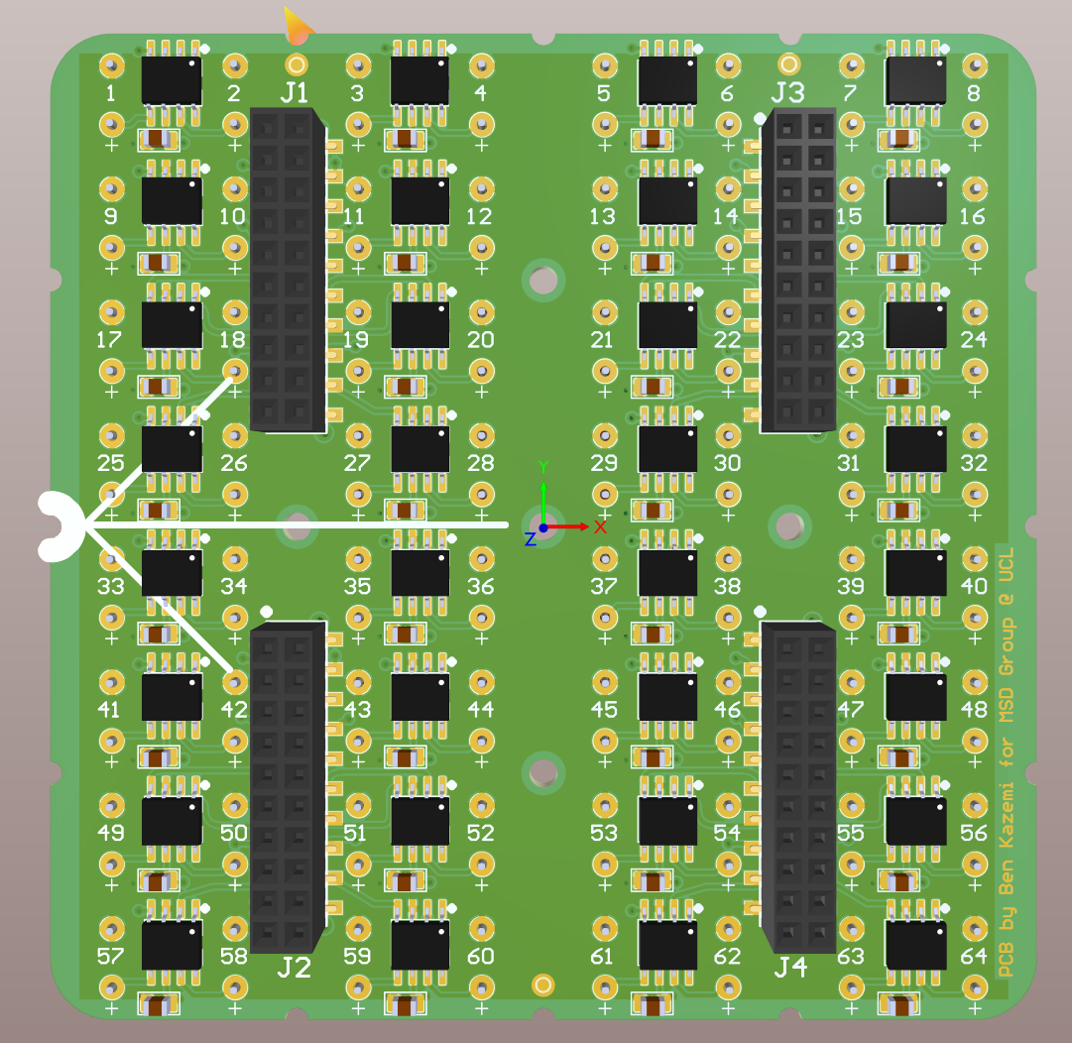
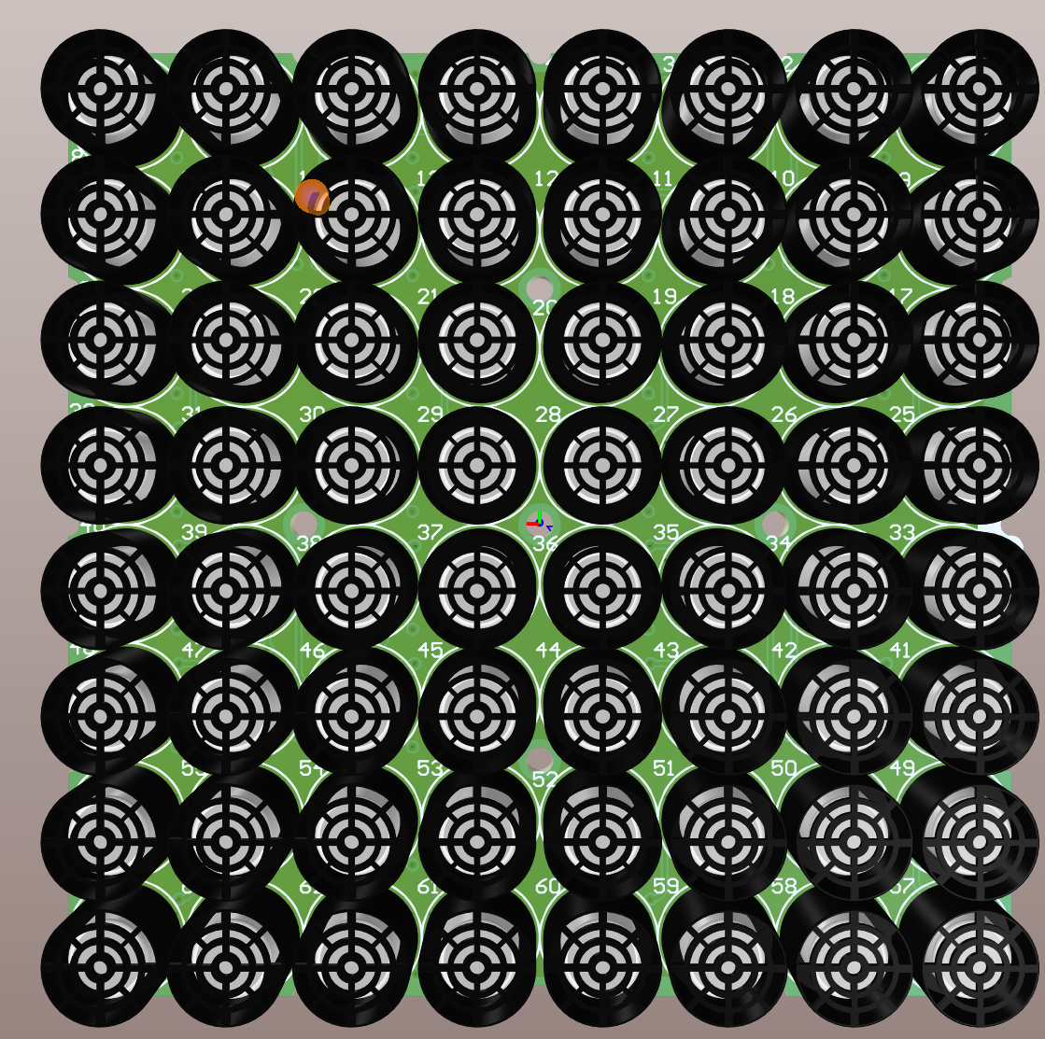
Connect for Slave | Header, 2-Pin | Slave | 1X02_LOCK_ | 1
Short to connect 5V to VBUS of feather | Header, 2-Pin | VBUS_Jumper | 1X02_LOCK_ | 1
Red WURTH 150080RS75000 |  | VS | LED-0805 - RED | 1

